Sheet1
 |  | Document No. | Issue No. | Issue Date |  |  | Review and Replace Date |  | Authorised By
 |  | GFF391MC | 1 | 14.08.2023 |  |  | new issue
 |  | Document Title | Red Thai Chicken Curry & Fragrant Rice 400g
 |  |  |  |  |  |  |  |  | Magda Shah
Document amendments reason for change |  | New Launch |  | Page 1 of 1 |  | Previous Issue Date |  | new issue | Uncontrolled copy unless signed original

Chicken to be brought into H/R on day of packing
CCTRCR-R4T | GAZEBO CUISINE |  | Red Thai Chicken Curry & Fragrant Rice 400g
STEP 1 |  |  |  |  | STEP 2
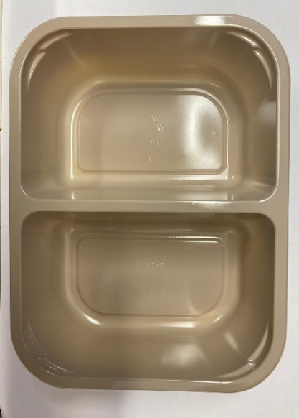 |  |  |  |  | 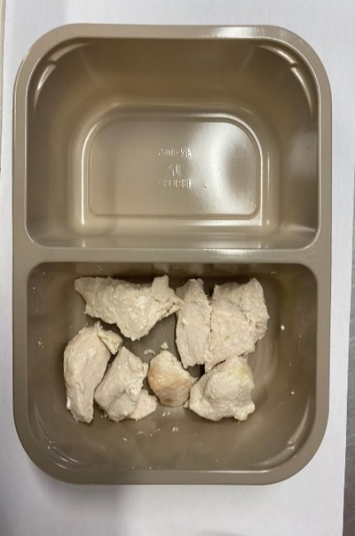

Tray: EVOLVE CPET 2200-2F(PKRHP001-10) |  |  |  |  | 20-25mm Steam Cooked Diced Chicken (RMVES001-01): 60g

Film: K peel 7G+25A/f- 275mm (275 mmX1000)(PKKMP001-03)

STEP 3 |  |  |  |  | STEP 4
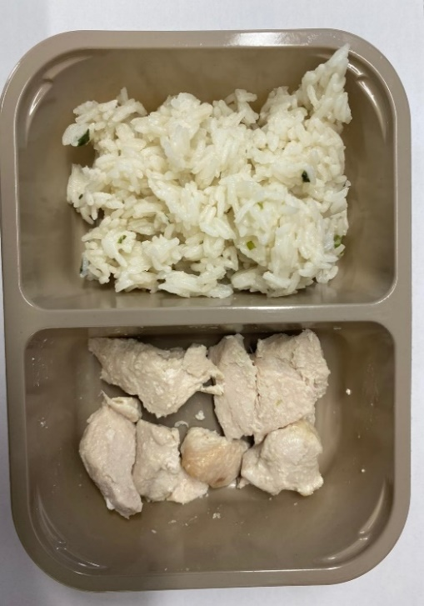 |  |  |  |  | 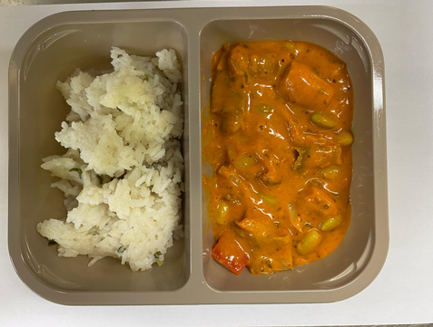

NEW RECIPE

Fragrant Rice (GFF448R): 180g |  |  |  |  | Red Thai Curry Sauce (CUISINE) (GFF449R): 160g
 |  |  |  |  | TOTAL WEIGHT: 400G
ALLERGY ALERT: SESAME, SOYA, WHEAT

